Evaluation form
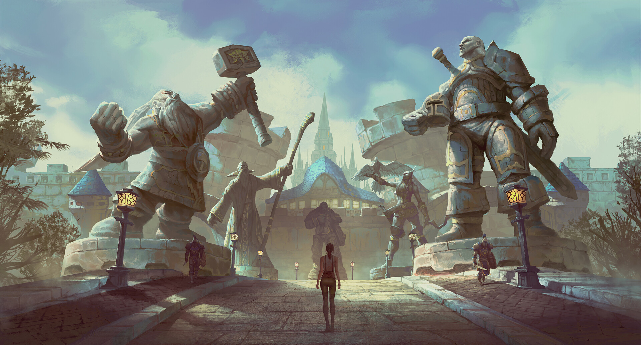
Computer Graphics - Final Assignment - Evaluation Form

 | Student number | s1127368
 | Student name | Silas de Jong
 | Class | A
 | Teacher
 | Year
 | Attempt

Knock-out criteria |  | Score | Remarks (optional)
 | Plagiarism
 | Does not run / compile
 | Evaluation form not present

Summarization |  | Grade | General remarks (optional) |  |  |  |  | General student remarks (optional)
 | Total | 1.0 |  |  |  |  |  | Sources for imported models / coding resources always mentioned in code comments

Techniques (65 points) |  | Score | Remarks (optional) | Insufficient | Mediocre | Sufficient | Good | Student remarks
 | Number of models (0-5-7-10) |  |  | Less than four unique models | 4-6 unique models | 7-8 unique models | 9+ unique models and/or 4+ models and solution can easily be expanded with more models (modularity) | 5 imported models: statues & bird See the 2 sections below for more info on the used models, but there are more than 9 total and the solution is modular
 | Number of primitive meshes (0-3-4-5) |  |  | Less than 4 primitive meshes | 1-2 models and 4-6 meshes | 3+ models and 7-8 meshes | 3+ models and 9+ meshes and/or solution can be easily expanded with more primitive meshes (modularity) | Predefined cone, cube, cylinder, pyramid, and plane meshes Used in road, walls, towers Towers consist of 5 primitives: Cylinder, cone, two pyramids, and a cube Mesh class has a modular option for creating custom primitives as well with an overloaded constructor that takes a texture, vertices, normals and uvs. I didn't use this option in my implementation because defining the arrays in main.cpp looks super messy, but it works. Some GenAI was used to help me with getting the correct vertices/normals/uvs for the primitive shapes as I really struggled with it and couldn't find resources online (most notably for cone and to a lesser extent on pyramid/cilinder).
 | Number of designed obj-files (0-5-7-10) |  |  | No designed obj-files | 1-2 designed obj-files | 3-4 designed obj-files | 5+ designed obj-files | Personally designed files: Lamp and candle (1 model, 2 meshes), wall, house behind wall and roof (1 model, 2 meshes) for 5 obj-files total
 | Number of unique textures (0-5-7-10) |  |  | One or no unique textures implemented | 2-4 unique textures implemented | 5+ unique textures implemented | 5+ unique textures implemented. Solution can easily be expanded with more textures (modularity) | Textures can easily be added to meshes in the constructor (with overloaded options for texture-free meshes) Objects with unique textures: Three types of road texture, lantern base, window glass, lantern flame, blue roofs, statues, bird
 | Animations (0-5-7-10) |  |  | One or no unique animations defined | 2-3 unique animations defined | 4-5 unique animations implemented | More than 5 animations implemented and/or several animations combined for more complex movement | Bird flies overhead in a loop with a combination of translation and rotation, circling the same area repeatedly The easter island statue rotates to face the player every ~10 seconds. The animation sometimes rotates around an extra time. Since the end result is pretty funny I decided not to bugfix it and leave it as is. Some GenAI was used to assist with the statue rotation calculations as mentioned in the code
 | Shading (0-5-7-10) |  |  | One kind of fragment shading defined | 2-4 kinds of fragment shading defined | 5+ kinds of fragment shading implemented | More than 5 kinds of fragment shading defined, multiple fragmentshaders | One fragmentshader with some if-statements. Different kinds of shading: Skybox (no lighting applied at all) Texture or no texture (either look at texture color or diffuse color) Shading is shown off on the statues. They all share the same texture but have different material properties (power and ambient color), resulting in different colors, light reflections and overall appearance. The lanterns also have a manually set power and ambient color to make them dark yet reflective (5+ kinds of shading).
 | Walking mode (0-3-4-5) |  |  | Either WSAD or IJKL not properly implemented | WSAD and IJKL implemented | WSAD and IJKL implemented, eye level correct and bounded (no fall through) | All movement correct, mouse control implemented and/or jump | W,A,S,D,I,J,K,L implemented Y-position fixed in walk mode
 | Drone mode (0-3-5) |  |  | No drone mode implemented or viewing mode gives no clear overview | Drone mode implemented, but switching not working correctly | Drone mode and switching working correctly |  | Y-position not fixed in drone mode so you can "fly" Walking mode position/view angle are restored when leaving drone mode Q, E implemented in drone mode only

Technical design (15 points) |  | Score | Remarks (optional) | Insufficient | Mediocre | Sufficient | Good | Student remarks
 | Code quality (e.g. design patterns, algorithms, SOLID, documentation, cohesion, modularity, etc.) (0-5-7-10) |  |  | (almost) no classes are defined | Code quality is mediocre | Code quality is sufficient | Code quality is good | Code is built to be as modular as possible. New meshes can be defined/added based on vertices/normals/uvs, predefined primitives, imported models, all with or without textures. Quality could be better - there's a bit more redundancy in the methods of the Mesh child classes than is optimal. The indices/ cube_elements of the primitives should've been incorporated in the parent class with some kind of nullptr check rather than implementing them in the child classes only, it would've saved a lot of redundancy with the cloning functions.
 | Readability / cleaniness (0-2-3-5) |  |  | (almost) no clear variable names, spaghetti code, large code blocks | Readability is mediocre | Naming mostly is clear, decently sized functions | (Almost) complete clean code | The main.cpp code is pretty clean and readable, I've separated the adding of models/meshes in readable methods (though I haven't improved readability of any of the code that we got 'handed to us' in the lectures). Code outside of main.cpp is messier.

Graphic design (20 points) |  | Score | Remarks (optional) | Insufficient | Mediocre | Sufficient | Good | Student remarks
 | Realistic or creative models (junctions between meshes, etc.) (0-3-5) |  |  | The models are not realistic or creative | The models look ok, but could be a lot more realistic or creative | Models look good, junctions between meshes are smooth |  | I think the models look good, both the ones I've designed and ones I've imported
 | Realistic or creative textures (connectivity, etc.) (0-3-5) |  |  | Textures are not realistic or creative | Textures look ok | Textures look good |  | Textures look okay but sometimes they look stretchier than I would like on the primitives, I find working with the UVS pretty hard. Similarly on the models I designed they sometimes look stretched as well. I'm not sure what I did wrong there.
 | Realistic or creative scene (0-5-7-10) |  |  | The scene is not realistic nor creative | The scene looks ok, but could be a lot more realistic or creative | The scene looks ok | Either a very realistic or very creative scene is created | scene based on https://www.artstation.com/artwork/5XOnkP Statues are imported models, credited in the comments Light sources for each lantern/lamppost, with a flickering effect added for some coolness/realism. One row of lamps has a more bluelish light while the other has a reddish one, creating a cool blending effect.

